Sheet1
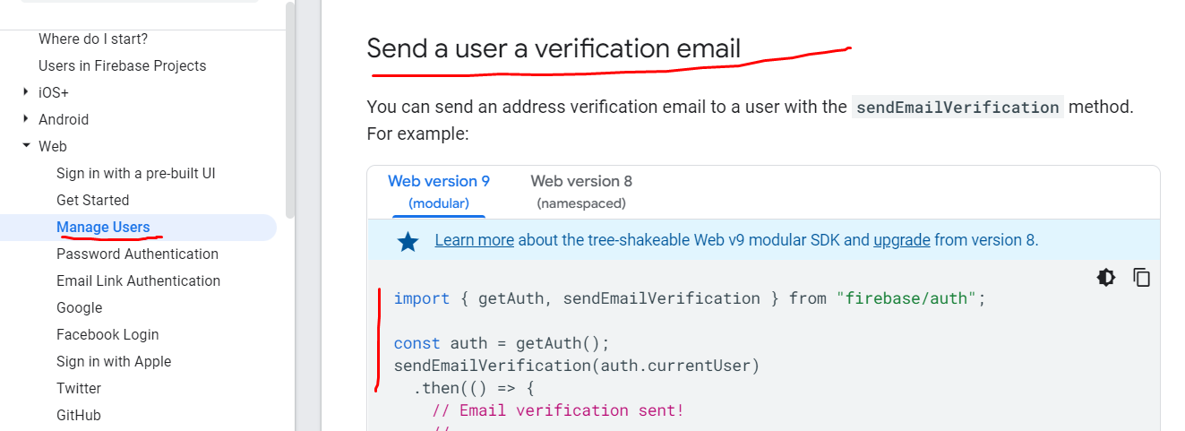
 | email verification

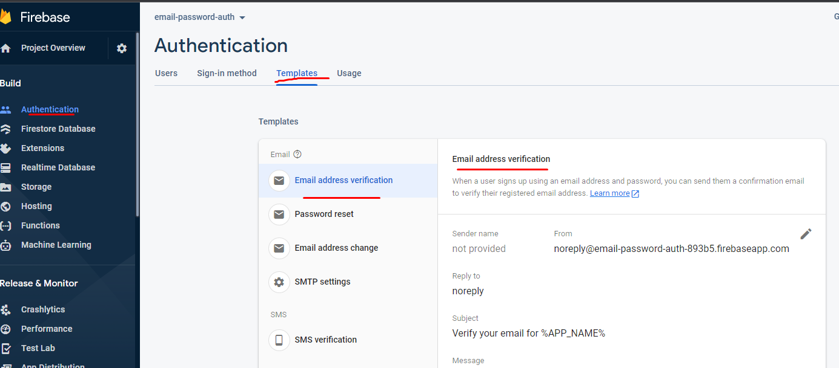

https://console.firebase.google.com/ |  | go to docs> | build> | authentication | >web | >manage users | > user email validation

